Cover
Office of Planning and Research

Completer's Report
2016 - 2017



Contains 5 years of comparative data



Prepared by the Office of Planning and Research
2017-08-24

List of Tables and Figures

 |  | page no.

 | Table 1. Graduate Totals from 2012-2013 to 2016-2017 Academic Years and by Gender, by Ethnicity, and by Award Type (Excluding TCA) | …………... 1

 | Figure 1. Visual Representation of Total Awards and Total Graduates for 2012-2013 to 2016-2017 Academic Years | …………... 1

 | Figure 2. Visual Representation of Graduates in 2016-2017 Academic Year by Gender | …………... 1

 | Figure 3. Visual Representation of Graduates in 2016-2017 Academic Year by Ethnicity | …………... 1

 | Figure 4. Visual Representation of Graduates in 2016-2017 Academic Year by Degree Type | …………... 1

 | Table 2. List of Programs with CIP Code and Award Counts from 2012-2013 to 2016-2017 Academic Years | …………... 2

 | Table 3. TCA Completer Totals from 2012-2013 to 2016-2017 Academic Years and by Gender, and by Ethnicity | …………... 4

 | Table 4. List of TCA Programs with CIP Code and Award Counts from 2012-2013 to 2016-2017 Academic Years | …………... 5

2017-08-24 |  |  | Office of Planning and Research

Grad 1617 p1
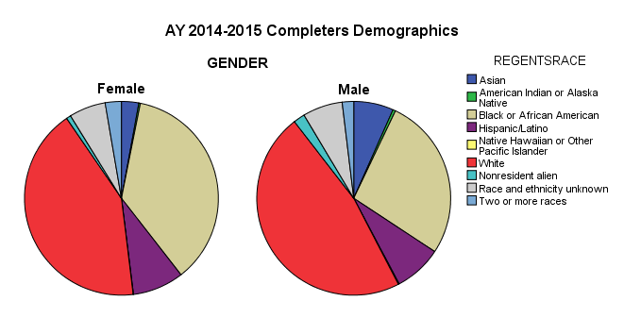
Table 1. Graduate Totals from 2012-2013 to 2016-2017 Academic Years & by Gender, by Ethnicity, and by Award Type (Excluding TCA)
 | 2012-2013 | 2013-2014 | 2014-2015 | 2015-2016 | 2016-2017
Total Graduates (unduplicated) | 1,902 | 2,680 | 2,237 | 2,513 | 2,287
Total Degrees Awarded (includes multiple awards) | 1,983 | 2,928 | 2,376 | 2,691 | 2,479

Total Graduates by Gender (unduplicated)
Male | 534 | 795 | 676 | 806 | 734
Female | 1,368 | 1,885 | 1,561 | 1,707 | 1,553

Total Graduates by Ethnicity (unduplicated)
Asian | 85 | 95 | 90 | 81 | 84
Native Hawaiian or Other Pacific Islander | 2 | 3 | 2 | 4 | 1
American Indian or Alaska Native | 10 | 11 | 7 | 8 | 11
Black or African American | 515 | 799 | 750 | 893 | 885
Hispanic/Latino | 113 | 227 | 187 | 220 | 198
White | 962 | 1,224 | 982 | 1,086 | 934
Graduates by Gender
Nonresident alien |  | 30 | 25 | 40 | 35
Two or more races | 33 | 57 | 55 | 69 | 54
Race and ethnicity unknown | 182 | 234 | 139 | 112 | 85

Total Awards (includes multiple awards)
Associate Degree | 1,242 | 1,368 | 1,344 | 1,385 | 1,275
Post Associate Certificate | 25 | 23 | 17 | 23 | 23
Technical Diploma | 77 | 100 | 82 | 100 | 100
Certificate | 639 | 1,437 | 933 | 1,183 | 1,081

Figure 1. Total Awards and Total Graduates for 2012-2013 to 2016-2017 Academic Years |  |  | Figure 2. Graduates in 2016-2017 Academic Year by Gender
Total Awards
2016-2017 by Gender

Graduates by Ethnicity
 | Asian | Native Hawaiian or Other Pacific Islander | American Indian or Alaska Native | Black or African American | Hispanic/Latino | White | Nonresident alien | Two or more races | Race and ethnicity unknown
2012-2013 | 85 | 2 | 10 | 515 | 113 | 962 |  | 33 | 182
2013-2014 | 95 | 3 | 11 | 799 | 227 | 1,224 | 30 | 57 | 234
2014-2015 | 90 | 2 | 7 | 750 | 187 | 982 | 25 | 55 | 139
2015-2016 | 81 | 4 | 8 | 893 | 220 | 1,086 | 40 | 69 | 112
2016-2017 | 84 | 1 | 11 | 885 | 198 | 934 | 35 | 54 | 85

Figure 3. Graduates in 2016-2017 Academic Year by Ethnicity |  |  | Figure 4. Graduates in 2016-2017 Academic Year by Degree Type

2016-2017 by Ethnicity
2016-2017 by Awards

Awards by Type

2017-08-24 |  |  |  |  |  | Office of Planning and Research

